Bug reports (Module 2)
Bug reports for Tango.me profile module |  |  |  | Andrei Barycheuski

ID | Title | Description | Steps to reproduce | Reproducibility | Severity | Priority | Reason | Exp.Result | Actual Result | Attachments
B1 | Ilogical number of DOB changes | Operating system: iOS 11 App. Ver.: 8.14 Req.: | 1. Go to the My Profile tab; 2. Click on the pencil symbol in the upper left corner of the window; 3. In the "Edit profile" tab in the "Date of Birth" line, select 17.09.1982; 4. Click "Done" in the upper left corner of the screen; 5. Edit "Date of birth" 5 times (repeat steps 2-4 with a different date); 6. Bug appears | Always | Major | High | Aditional feature | User can change Date of birth a few times | User can change his date of birth any time he wishes
B2 | Name of line "Date of Birth" in the "Edit profile" tab do not correlate with APP language | Operating system: iOS 11 App. Ver.: 8.14 Req.: | 1. Go to the My Profile tab; 2. Click on the pencil symbol in the upper left corner of the window; 3. Look at "Date of Birth" line in the "Edit profile" tab; 4. Bug appears | Always | Medium | Normal | Localization bug | If Russian is speciefid as APP language, in line name should be written as "День рождения" | When Russian is speciefid as APP language, in line is written "Date of birth" | 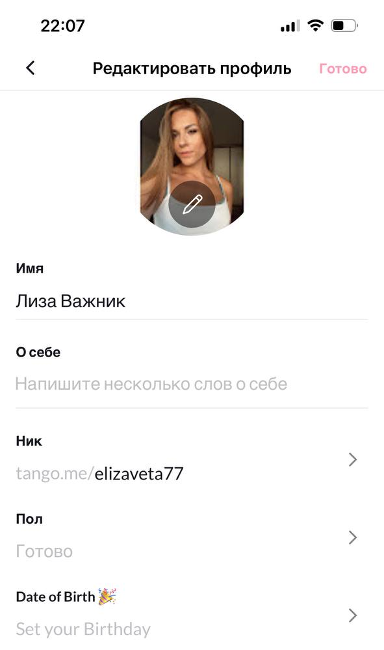
B3 | Format of "Date of Birth" value in the "Edit profile" tab do not correlate with APP language | Operating system: iOS 11 App. Ver.: 8.14 Req.: | 1. Go to the My Profile tab; 2. Click on the pencil symbol in the upper left corner of the window; 3.In the "Edit profile" tab in the "Date of Birth" line, select 18.01.2005; 4. Click "Done" in the upper left corner of the screen; 5. Click on the pencil symbol in the upper left corner of the window; 6. In the "Edit profile" tab look at "Date of Birth" line; 7. Bug appears | Always | Medium | Normal | Localization bug | If Russian is speciefid as APP language, format of field value should be "DD- month- YEAR" | When Russian is speciefid as APP language, format of field value is "month-DD, YEAR" | 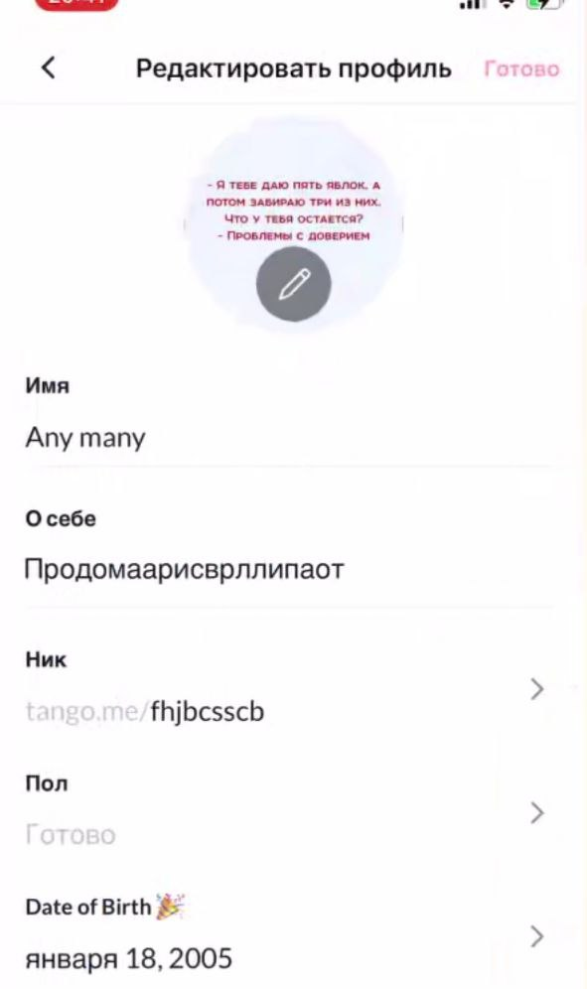
B4 | No control tools for change DOB value from below 18 years old to above 18 years old | Operating system: iOS 11 App. Ver.: 8.14 Req.: | 1. Go to the My Profile tab; 2. Click on the pencil symbol in the upper left corner of the window; 3. In the "Edit profile" tab in the "Date of Birth" line, select 18.01.2005; 4. Click "Done" in the upper left corner of the screen; 5. Edit "Date of birth" to 18.01.1987; 6. Bug appears | Always | Critical | ASAP | Additional feature | To change Age from below 18 years old to above 18 years old there should be a special procedure confirming that the user is above 18 years old | User can change his/her date of birth any time he wishes, no special scenarios are applied
B5 | Modal dialogue windows in APP for stream party invitation | Operating system: iOS 11 App. Ver.: 8.14 Req.: | 1. Go to the My Profile tab; 2. Click on the pencil symbol in the upper left corner of the window; | Always | Medium | Normal | Missing feature | When dialog window is opened user can proceed working in APP | When dialog window is opened user can do nothing untill he finishes dialogue | 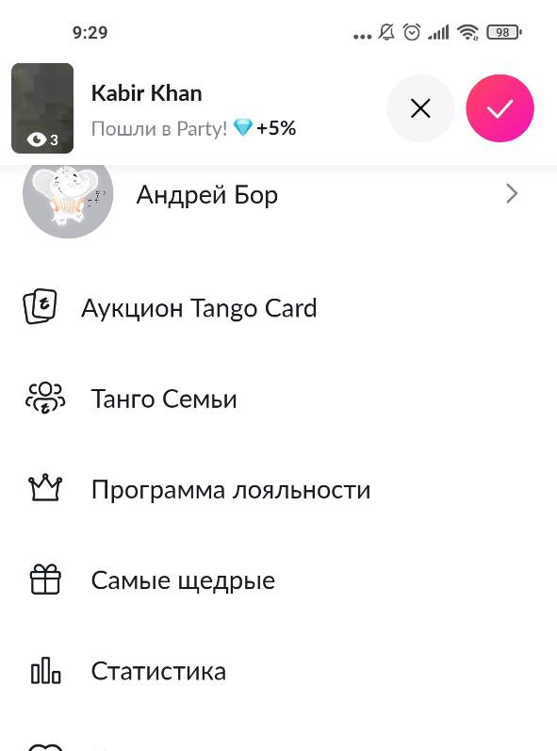
B6 | No specification of forbidden (grobe) words for APP | Operating system: iOS 11 App. Ver.: 8.14 Req.: | 1. Go to the My Profile tab. 2. Click on the pencil symbol in the upper left corner of the window. 3. In the "Edit profile" tab, edit the "Nick" line. 4. Enter "aaa345547". 5. Click "Done" in the upper left corner of the screen. | Always | Medium | Normal | List of words is not specified | Nick "aaa345547" is accepted | Nick "aaa345547" is not accepted | 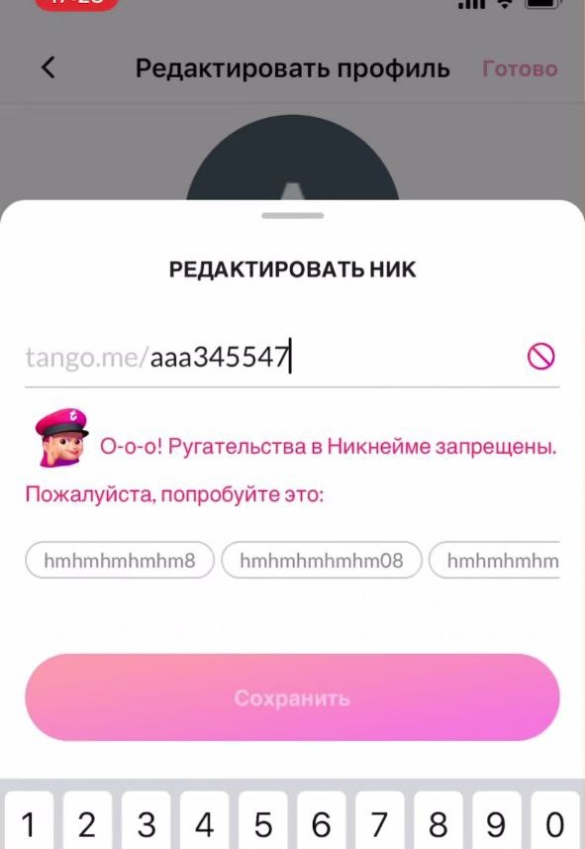
B7 | 17 years old user can start stream | Operating system: iOS 11 App. Ver.: 8.14 Req.: | 1. Go to the My Profile tab; 2. Click on the pencil symbol in the upper left corner of the window; 3. In the "Edit profile" tab in the "Date of Birth" line, select 18.01.2005; 4. Click "Done" in the upper left corner of the screen; 5. Return to the main screen and press broadcast button; 6. Press Go live; | Always | Critical | ASAP | Missing feature | For 17 years old user App don't allow to broadcast | 17 years old user start stream with no warnings | 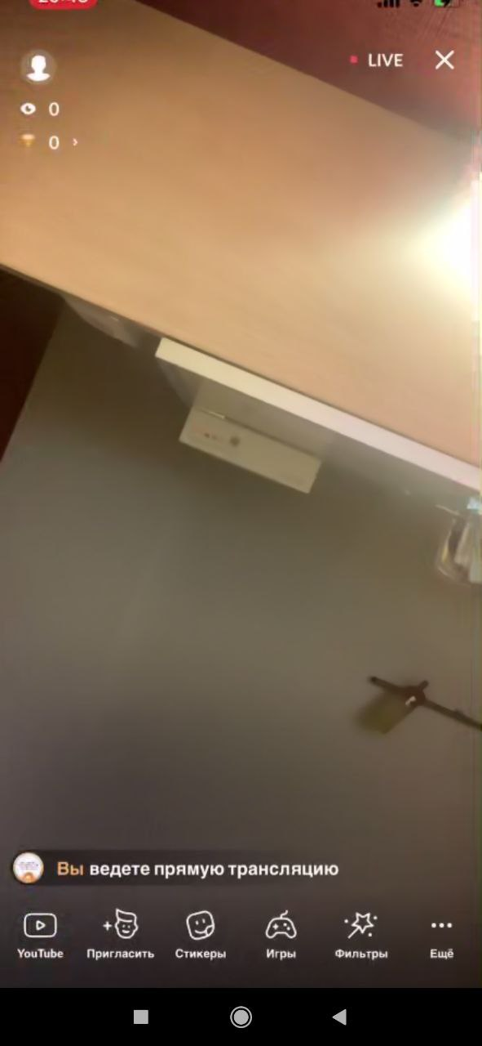
B8 | 16 years old user can start stream | Operating system: iOS 11 App. Ver.: 8.14 Req.: | 1. Go to the My Profile tab; 2. Click on the pencil symbol in the upper left corner of the window; 3. In the "Edit profile" tab in the "Date of Birth" line, select 18.01.2006; 4. Click "Done" in the upper left corner of the screen; 5. Return to the main screen and press broadcast button; 6. Press Go live; | Always | Critical | ASAP | Missing feature/Localisation bug | For 16 years old user App don't allow to broadcast | 16 years old user start stream with warnings that broadcasting under 18 year old are forbidden and all translations are checked by moderation system | 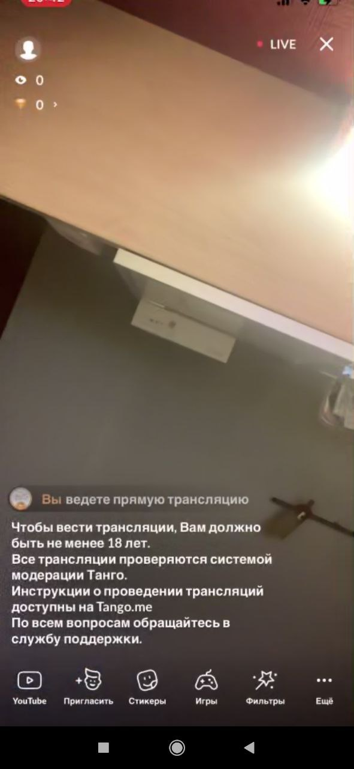
B9 | Incorrect charactors statistics in "About me" field in Profile | Operating system: iOS 11 App. Ver.: 8.14 Req.: | 1. Go to the My Profile tab. 2. Click on the pencil symbol in the upper left corner of the window. 3. In the "Edit profile" tab in the "About me" line, enter max characters (English letters, Russian letters, numbers, symbols, emoji) 4. Click ""Done"" in the upper left corner of the screen." | Always | Medium | Normal | Missing counting | Enter max charactors show 200/200 symbol statistics | Using emoji shows statistics 180/200, but App do not allow to enter more symbols | 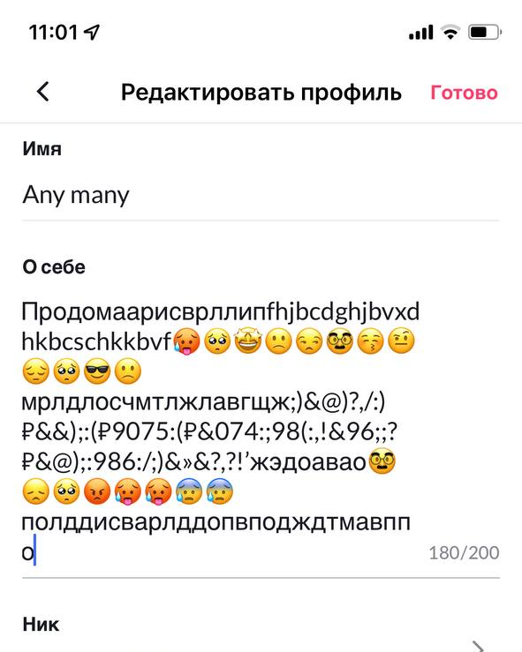
B10 | Country of origin is not specified in Profile details | Operating system: iOS 11 App. Ver.: 8.14 Req.: | 1. Go to the My Profile tab. 2. Look at profile details | Sometimes | Medium | Low | Missing connection | Name of country is reflected in Profile details | Name of country is not reflected in Profile details (reason unclear)

